Project A
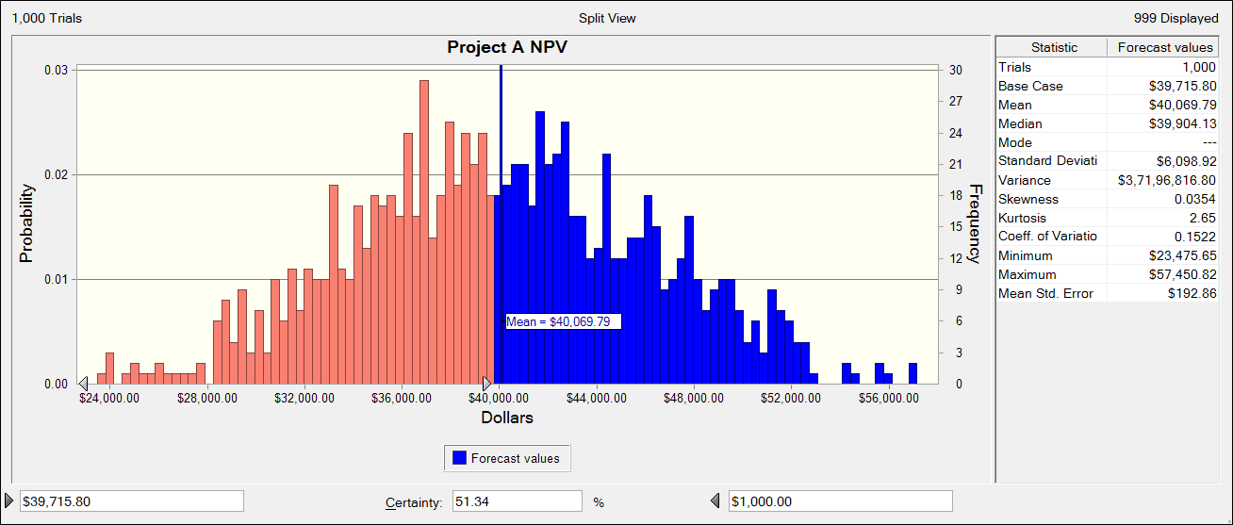
Project A
Year | Inflow | Outflow | Net Flow | Discount Factor | NPV | Inflation Rate
*2011 | $0 | $100,000 | -$100,000 | 0.87719298246 | -$87,719.30 | 0.02
2011 | $0 | $50,000 | -$50,000 | 0.87719298246 | -$43,859.65 | 0.02
2012 | $25,000 | $50,000 | -$25,000 | 0.76946752847 | -$19,236.69 | 0.02
2013 | $120,000 | $0 | $120,000 | 0.6749715162 | $80,996.58 | 0.02
2014 | $200,000 | $15,000 | $185,000 | 0.59208027737 | $109,534.85 | 0.02
Total | $345,000 | $215,000 | $130,000 |  | $39,715.80

Report
 |  |  |  | Crystal Ball Report - Full
 |  |  |  | Simulation started on 25-08-2022 at 05:13 PM
 |  |  |  | Simulation stopped on 25-08-2022 at 05:13 PM

 | Run preferences:
 |  | Number of trials run | 1,000
 |  | Monte Carlo
 |  | Random seed
 |  | Precision control on
 |  | Confidence level | 95.00%

 | Run statistics:
 |  | Total running time (sec) | 1.60
 |  | Trials/second (average) | 625
 |  | Random numbers per sec | 9,998

 | Crystal Ball data:
 |  | Assumptions | 16
 |  | Correlations | 0
 |  | Correlation matrices | 0
 |  | Decision variables | 0
 |  | Forecasts | 1

 |  |  |  | Forecasts

Worksheet: [Project A.xlsx]Project A

Forecast: Total · NPV |  |  |  |  | Cell: F8

 | Summary:
 |  | Certainty level is 48.6%
 |  | Certainty range is from $22,995.83 to $1,000.00 and $39,715.80 to $56,013.87
 |  | Entire range is from $22,995.83 to $56,013.87
 |  | Base case is $39,715.80
 |  | After 1,000 trials, the std. error of the mean is $191.38

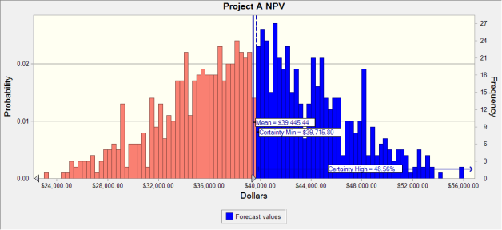

 | Statistics: |  | Forecast values
 |  | Trials | 1,000
 |  | Base Case | $39,715.80
 |  | Mean | $39,445.44
 |  | Median | $39,363.72
 |  | Mode | ---
 |  | Standard Deviation | $6,051.89
 |  | Variance | $36,625,318.04
 |  | Skewness | 0.0010
 |  | Kurtosis | 2.63
 |  | Coeff. of Variation | 0.1534
 |  | Minimum | $22,995.83
 |  | Maximum | $56,013.87
 |  | Range Width | $33,018.04
 |  | Mean Std. Error | $191.38

Forecast: Total · NPV (cont'd) |  |  |  |  | Cell: F8

 | Percentiles: |  | Forecast values
 |  | 0% | $22,995.83
 |  | 10% | $31,524.66
 |  | 20% | $34,286.30
 |  | 30% | $36,222.54
 |  | 40% | $37,888.78
 |  | 50% | $39,360.89
 |  | 60% | $41,008.50
 |  | 70% | $42,512.57
 |  | 80% | $44,766.22
 |  | 90% | $47,543.45
 |  | 100% | $56,013.87

End of Forecasts
 |  |  |  | Assumptions

Worksheet: [Project A.xlsx]Project A

Assumption: *2011 · Inflation Rate |  |  |  |  | Cell: G3

 | Triangular distribution with parameters:
 |  | Minimum | 0.02
 |  | Likeliest | 0.02
 |  | Maximum | 0.02

Assumption: Inflation Rate · 2 |  |  |  |  | Cell: G4

 | Triangular distribution with parameters:
 |  | Minimum | 0.02
 |  | Likeliest | 0.02
 |  | Maximum | 0.02

Assumption: Inflation Rate · 3 |  |  |  |  | Cell: G5

 | Triangular distribution with parameters:
 |  | Minimum | 0.02
 |  | Likeliest | 0.02
 |  | Maximum | 0.02

Assumption: Inflation Rate · 4 |  |  |  |  | Cell: G6

 | Triangular distribution with parameters:
 |  | Minimum | 0.02
 |  | Likeliest | 0.02
 |  | Maximum | 0.02

Assumption: Inflation Rate · 5 |  |  |  |  | Cell: G7

 | Triangular distribution with parameters:
 |  | Minimum | 0.02
 |  | Likeliest | 0.02
 |  | Maximum | 0.02

Assumption: Inflow · 3 |  |  |  |  | Cell: B5

 | Triangular distribution with parameters:
 |  | Minimum | $22,500
 |  | Likeliest | $25,000
 |  | Maximum | $27,500

Assumption: Inflow · 4 |  |  |  |  | Cell: B6

 | Triangular distribution with parameters:
 |  | Minimum | $108,000
 |  | Likeliest | $120,000
 |  | Maximum | $132,000

Assumption: Inflow · 5 |  |  |  |  | Cell: B7

 | Triangular distribution with parameters:
 |  | Minimum | $180,000
 |  | Likeliest | $200,000
 |  | Maximum | $220,000

Worksheet: [Project A.xlsx]Rough

Assumption: *2011 · Inflation Rate |  |  |  |  | Cell: G3

 | Triangular distribution with parameters:
 |  | Minimum | 0.02
 |  | Likeliest | 0.02
 |  | Maximum | 0.02

Assumption: Inflation Rate · 2 |  |  |  |  | Cell: G4

 | Triangular distribution with parameters:
 |  | Minimum | 0.02
 |  | Likeliest | 0.02
 |  | Maximum | 0.02

Assumption: Inflation Rate · 3 |  |  |  |  | Cell: G5

 | Triangular distribution with parameters:
 |  | Minimum | 0.02
 |  | Likeliest | 0.02
 |  | Maximum | 0.02

Assumption: Inflation Rate · 4 |  |  |  |  | Cell: G6

 | Triangular distribution with parameters:
 |  | Minimum | 0.02
 |  | Likeliest | 0.02
 |  | Maximum | 0.02

Assumption: Inflation Rate · 5 |  |  |  |  | Cell: G7

 | Triangular distribution with parameters:
 |  | Minimum | 0.02
 |  | Likeliest | 0.02
 |  | Maximum | 0.02

Assumption: Inflow · 3 |  |  |  |  | Cell: B5

 | Triangular distribution with parameters:
 |  | Minimum | $22,500
 |  | Likeliest | $25,000
 |  | Maximum | $27,500

Assumption: Inflow · 4 |  |  |  |  | Cell: B6

 | Triangular distribution with parameters:
 |  | Minimum | $108,000
 |  | Likeliest | $120,000
 |  | Maximum | $132,000

Assumption: Inflow · 5 |  |  |  |  | Cell: B7

 | Triangular distribution with parameters:
 |  | Minimum | $180,000
 |  | Likeliest | $200,000
 |  | Maximum | $220,000

End of Assumptions
 |  |  |  | Sensitivity Charts

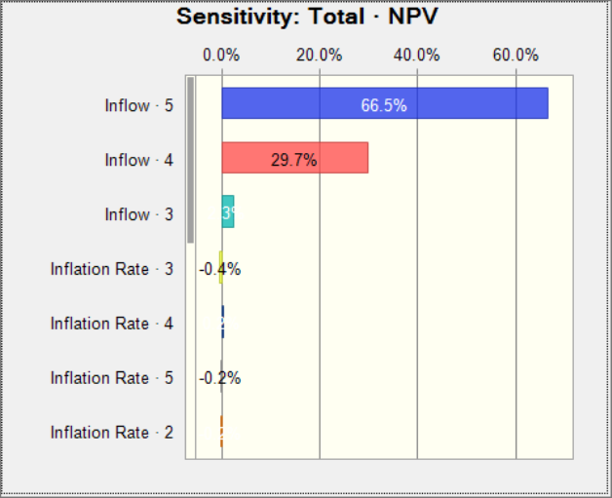

End of Sensitivity Charts

